Sheet1
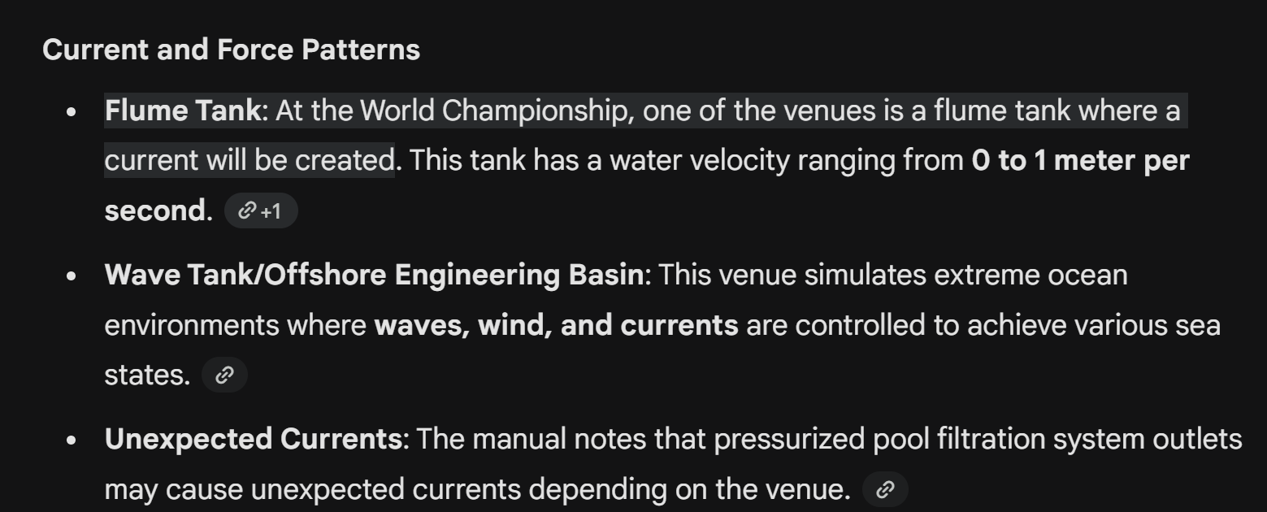
Specifics for modeling
Current Pattern/force (some form of function time/position | (competition guidelines)

material strength of hinges connected chasis to electronics enclosure | (BOM)
the temperature and density of the water | guidelines | The ROV system must be functional in fresh, chlorinated water with temperatures ranging from -2°C to 30°C.
 |  | The water in the ice tank is a mixture of water and EGADS (Ethylene Glycol/Aliphatic Detergent/Sugar) at a 0.39% concentration. Its specific gravity is approximately 1.025, though this can vary slightly.

